워터커버 수성발수제
GOODBYE LEAKAGE PLUS
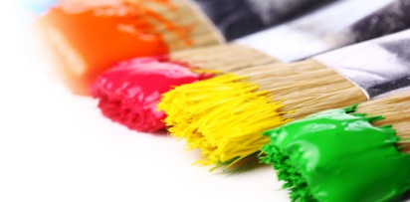
WATERBASED TRANSPARENT

This product is a water-based glossy transparent paint mainly composed of special acrylic emulsion with excellent water resistance and weather resistance. In addition, it can be coated with a water-based top coat to exhibit waterproof function, and it has excellent workability as it has little odor and does not need to be diluted.

Usage |  | Building walls, boiler rooms, verandas, basements, bathrooms, tile surfaces, toilets
Specification
Paint type |  | Waterbased acrylic emulsion

Drying time |  | Category | 5℃ |  | 20℃ |  | 30℃
 |  | Set-to-touch |  |  | 6 hours
 |  | Dry hard |  |  | 24 hours
Thinner |  | Use of undiluted solution |  | Coating Method |  | Brush, roller
Specific gravity |  | Approx. 1.0 |  | Color |  | Milky white liquid
Solid volume ratio |  | approx. 28% |  | Thickness of dried film |  | 20㎛
Theoretical Coverage |  | 10~16.5 ㎡/L |  | Gloss |  | Glossy
 | Above coverage may vary depending on the construction site.
Storage and preservation |  | 12 months (Dry, cool, and dark place with good ventilation, room temperature 5℃~30℃, humidity less than 80%)
Product Properties (Physical Property Data)
Features |  | Excellent permeability and waterproofness
 |  | LOW VOC, free of harmful heavy metals, almost no odor during painting and drying process
 |  | Waterbased
How to Use
Applying on new & bare substrate |  | 1. Clean the concrete surface thoroughly.
 |  | (Clean the veranda and toilet tile line with a brush)
 |  | 2. Dry the construction surface.
 |  | 3. Apply evenly with a brush or roller and air dry until completely dry.
 |  | (When applying on tiles, wipe with a dry mop after 30 minutes of application.)
 |  | 4. Do not use water until the construction surface is completely hardened.
 |  | 5. If the leakage is severe, apply one more time using the above application method.
Applying on existing waterbased paint |  | 1. Remove foreign substances such as dust, oil from the surface of the waterbased old coating film.
 |  | 2. Apply evenly with a brush or roller and air dry until completely dry.
 |  | ※ When applying with a roller, use a short-haired oil roller.
 |  | 3. Do not use water until the application surface is fully cured.
 |  | 4. If the leakage is severe, apply one more time using the above application method.

